Hoja1
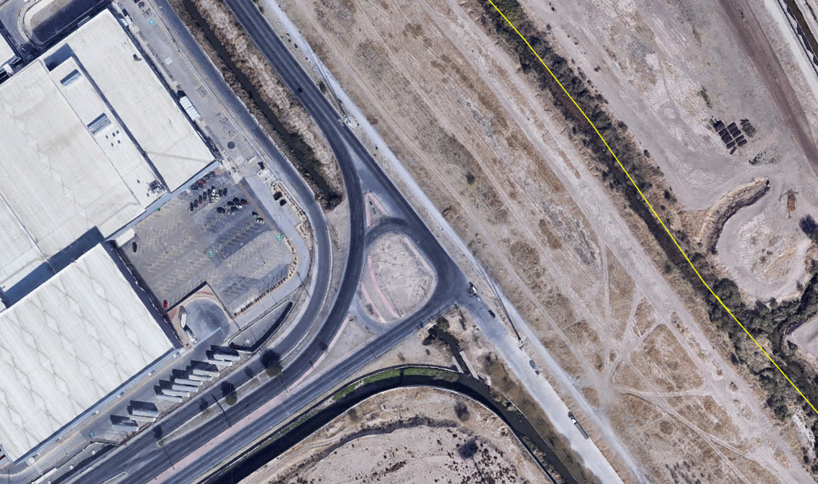
2
Hr/Mov | 1_2 |  |  | 1_3 |  |  | 2_1 |  |  | 2_2 |  |  | 2_3 |  |  | 3_1 |  |  | 3_2 |  |  | 3_3
 | A | B | C | A | B | C | A | B | C | A | B | C | A | B | C | A | B | C | A | B | C | A | B | C
7:00 AM - 7:15 AM | 29 | 0 | 0 | 7 | 0 | 0 | 1 | 0 | 0 | 2 | 0 | 0 | 391 | 18 | 9 | 3 | 1 | 0 | 420 | 0 | 17 | 97 | 2 | 22
7:15 AM - 7:30 AM | 182 | 0 | 0 | 27 | 0 | 0 | 2 | 0 | 0 | 2 | 0 | 0 | 474 | 7 | 13 | 1 | 0 | 0 | 327 | 4 | 12 | 62 | 0 | 12
7:30 AM - 7:45 AM | 200 | 0 | 1 | 40 | 0 | 0 | 3 | 0 | 0 | 1 | 0 | 0 | 484 | 6 | 23 | 1 | 0 | 0 | 244 | 1 | 32 | 68 | 2 | 15
7:45 AM - 8:00 AM | 139 | 0 | 0 | 50 | 0 | 0 | 4 | 0 | 1 | 0 | 1 | 1 | 506 | 2 | 23 | 1 | 0 | 0 | 246 | 2 | 20 | 39 | 0 | 23
TOTAL | 550 | 0 | 1 | 124 | 0 | 0 | 10 | 0 | 1 | 5 | 1 | 1 | 1855 | 33 | 68 | 6 | 1 | 0 | 1237 | 7 | 81 | 266 | 4 | 72
TOTALES | 551 |  |  | 124 |  |  | 11 |  |  | 7 |  |  | 1956 |  |  | 7 |  |  | 1325 |  |  | 342

BLVD. ALTOZANO NTE
Hr/Mov | 1_2 |  |  | 1_3 |  |  | 2_1 |  |  | 2_2 |  |  | 2_3 |  |  | 3_1 |  |  | 3_2 |  |  | 3_3
 | A | B | C | A | B | C | A | B | C | A | B | C | A | B | C | A | B | C | A | B | C | A | B | C
4:45 PM - 5:00 PM | 9 | 0 | 0 | 18 | 0 | 1 | 4 | 0 | 1 | 7 | 0 | 0 | 338 | 14 | 35 | 3 | 0 | 0 | 308 | 4 | 19 | 47 | 2 | 16
5:00 PM - 5:15 PM | 7 | 0 | 0 | 26 | 1 | 1 | 3 | 0 | 0 | 7 | 0 | 0 | 405 | 11 | 36 | 2 | 0 | 0 | 301 | 9 | 19 | 34 | 0 | 22
5:15 PM - 5:30 PM | 15 | 0 | 0 | 15 | 1 | 0 | 2 | 0 | 0 | 9 | 0 | 0 | 378 | 5 | 43 | 2 | 0 | 0 | 427 | 15 | 13 | 52 | 6 | 20
5:30 PM - 5:45 PM | 5 | 0 | 0 | 7 | 0 | 0 | 1 | 0 | 0 | 4 | 0 | 0 | 338 | 2 | 28 | 4 | 0 | 0 | 414 | 13 | 20 | 58 | 2 | 11
TOTAL | 36 | 0 | 0 | 66 | 2 | 2 | 10 | 0 | 1 | 27 | 0 | 0 | 1459 | 32 | 142 | 11 | 0 | 0 | 1450 | 41 | 71 | 191 | 10 | 69
TOTALES | 36 |  |  | 70 |  |  | 11 |  |  | 27 |  |  | 1633 |  |  | 11 |  |  | 1562 |  |  | 270

BLVD. INDEPENDENCIA
1
3

